Introduction

Welcome to Your Academic Pathways
This is a compilation of course trajectories put together by the Ministry of Academic Affairs’ Policy Team, with invaluable support from the Major Representatives (Board of Representatives). We thank them for their collaboration in creating a resource that guides you through your academic journey. All data has been sourced from the Student Representatives directly.
For any doubts, please write to us or to your reps directly.
To navigate this sheet, simply find your major/minor to explore sample course trajectories. Let this be your guide to achieving your academic goals!

Chemistry
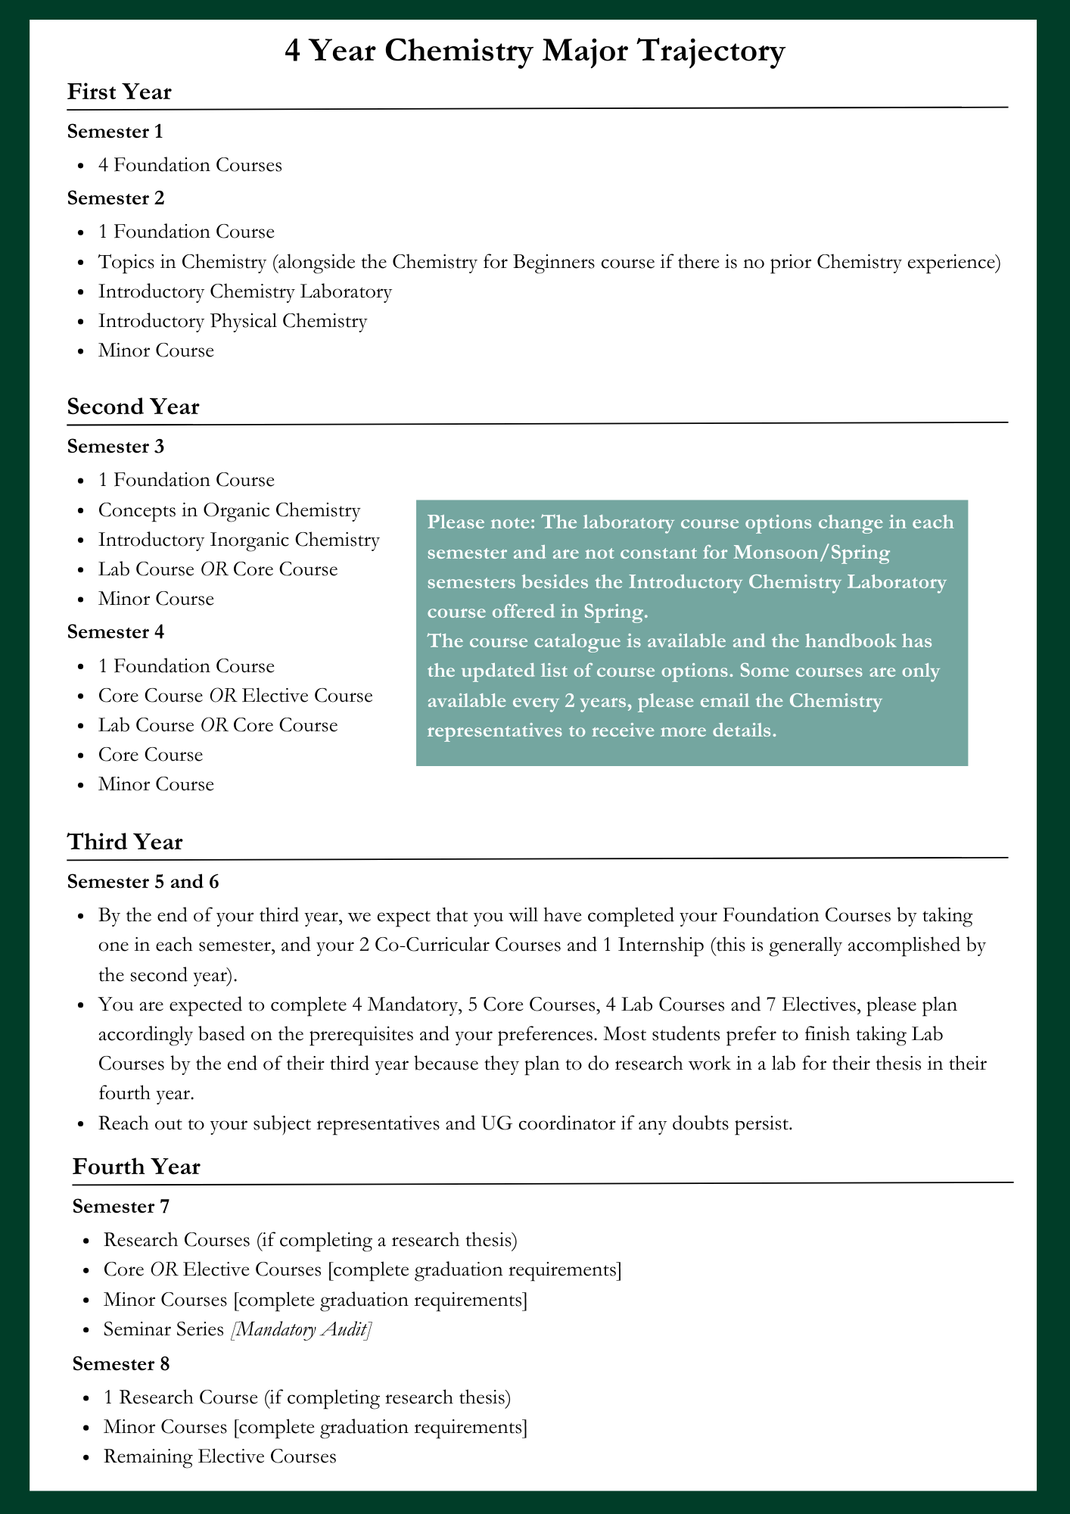

 |  |  | Please note that this is just a sample trajectory. As long as you complete your graduation requirements as outlined in the handbook and complete the prerequisites first, you may choose a different trajectory for yourself.
 |  |  | Chemistry Handbook 2024-25

 |  |  | 2024-25 Course Catalogue
 |  |  | Email us if you have any questions: chem.rep@ashoka.edu.in

 |  | Minimum number of electives

Core Courses | Choose from
 | 1. CHM-3212 - Energetics and Rate of Reactions
 | 2. CHM- 1201/2100- Atoms, Quanta and Light
 | 3. CHM-3214 - Stereochemistry and Heterocyclic Chemistry
 | 4. CHM-4402 - Structure Elucidation of Organic Molecules
 | 5. CHM-3201 - Bioinorganic Chemistry
 | 6. CHM-3120/CHM-4407/CHM-6612- Advanced Organic Chemistry
 | 7. CHM-2311- Introductory Biochemistry

Electives | Choose from
 | 1. CHM-3209-Medicinal Chemistry
 | 2. CHM-6604/4001-Chemical Biology

Computer Science
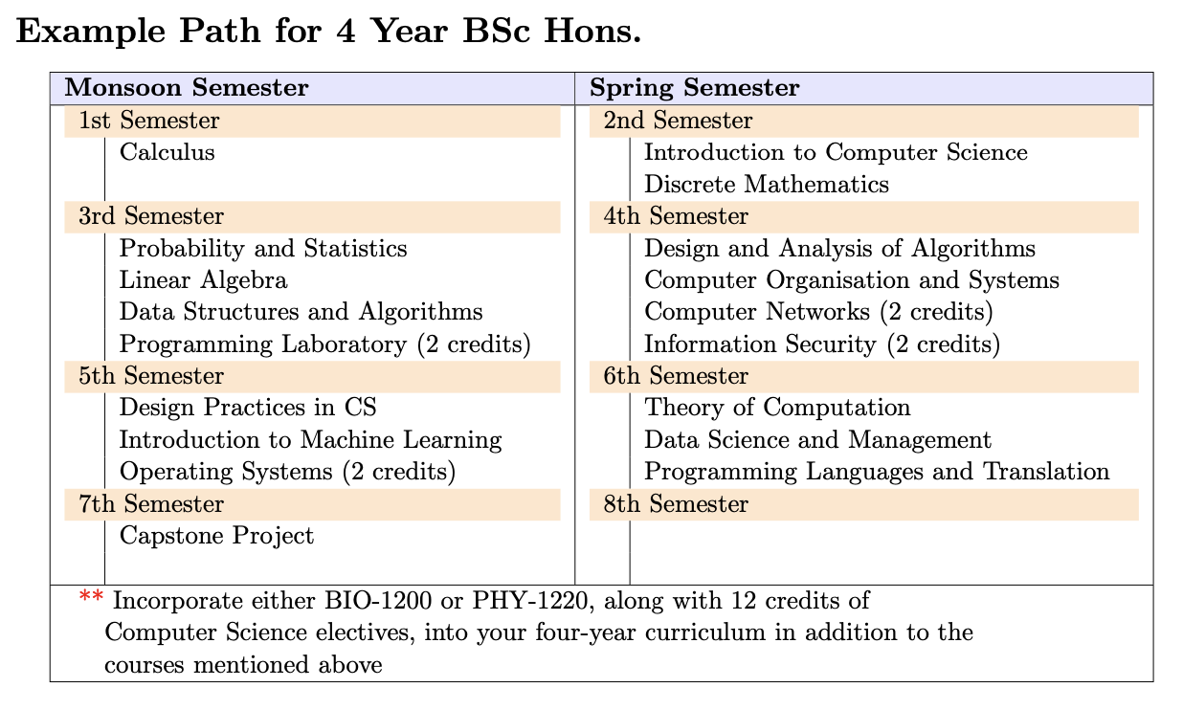
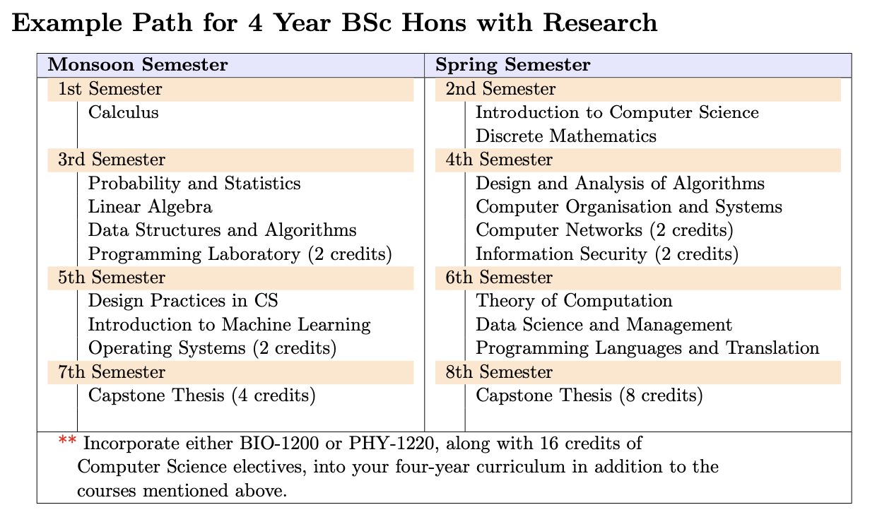
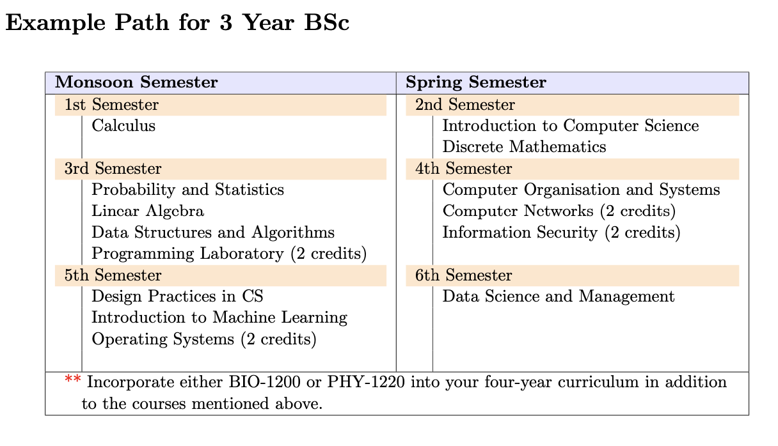
CS-4 Year BSc Hons. | 4 Year BSc Hons. with Research | 3 Year BSc Hons.

